PARTLIST
Item | Part Number | REV | Filename | Stock Number | Thumbnail | BOM Structure | Description | Material | Title | QTY | D | t | L
1 | 4003-613-A01 | - | 4003-613-A01.iam |  | 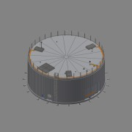 | Inseparable | Mixing Tank 1 |  | Mixing Area 02 | 1
2 | 0000-750-021 | - | Straight joiner - Ø41x37.ipt |  | 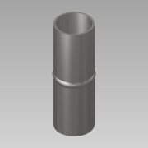 | Purchased | Straight joiner - Ø41xL124 | Steel, Galvanized |  | 16 | 1,0 | 1,0 | 1
3 | 0000-702-003 |  | Pressure Transmitter - G1½ - VEGABAR 82.ipt |  | 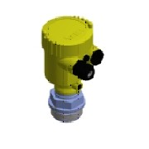 | Purchased | Pressure Transmitter - G1½ - VEGABAR 82 | - |  | 2
4 | 0000-701-001 |  | Ball valve - DN40 - manual - Valtor V-106.ipt |  | 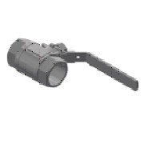 | Purchased | Ball valve - DN40 - manual - Valtor V-106 | SS 1.4301 - AISI 304 |  | 3
5 | 0000-702-016 | - | Level Sensor - G¾ - VEGACAP 62 - L750.ipt |  | 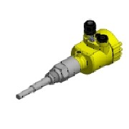 | Purchased | Level Sensor - G¾ - VEGACAP 62 | Generic |  | 2
6 | 0000-703-022 |  | Blind Flange - EN 1092-1 type 05.ipt | BF-150-000 | (NULL) | Purchased | Blind Flange - DN150 - PN10/16 - EN 1092-1 Typ 05 | SS 1.4571 - AISI 316Ti |  | 6
7 | 0000-703-020 |  | Pressed Flanges - EN 1092-1 Typ 02.ipt |  | 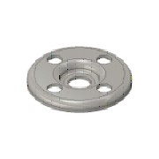 | Purchased | Pressed Flange - DN150-PN10/16 - EN 1092-1 Typ 02 | SS 1.4301 - AISI 304 |  | 31
8 | 0000-703-010 |  | Collar - PN10 - EN 1092-1 Typ 37.ipt | BÖ-168-026 | 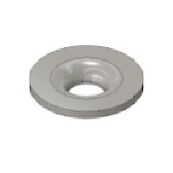 | Purchased | Collar - DN150/PN10-EN1092-1 Typ37 | SS 1.4301 - AISI 304 |  | 10
9 | 0000-703-030 |  | Elbow - DIN2605.ipt | 45-139-026 | 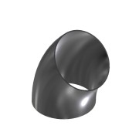 | Purchased | Elbow 45° - DN125 Ø139,7x2,6 - Type3-R190,5 - DIN2605 | SS 1.4301 - AISI 304 |  | 2
10 | 0000-751-051 |  | Link-Seal - A4.ipt |  | 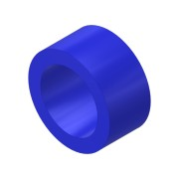 | Purchased | Link-Seal - Ø168,3 - LS-360-A4 | N/A |  | 4
11 | 0000-353-002-F | - | 0000-353-002-F.ipt |  | 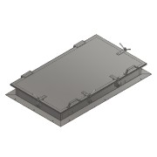 | Purchased | 1800X1000X200 Hatch | SS 1.4301 - AISI 304 |  | 6
12 | 4003-613-A02 | - | 4003-613-A02.iam |  | 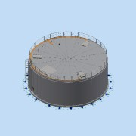 | Inseparable | Mixing Tank 2 |  | Mixing Area 02 | 1
13 | 4003-613-F01 | - | 4003-613-F01.ipt |  |  | Normal | Mixing Tank 1 Foundation | Concrete | Mixing Area 02 | 1
14 | 4003-613-F02 | - | 4003-613-F02.ipt |  |  | Normal | Mixing Tank 2 Foundation | Concrete | Mixing Area 02 | 1
15 | 4003-02.1-B01 | - | 4003-02.1-B01.ipt |  | 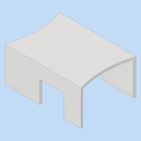 | Normal | Common Pump House | - | Mixing Area 02 | 1
16 | 4003-02.1-F01 | - | 4003-02.1-F01.ipt |  |  | Normal | Pump House Foundation | Concrete | Mixing Area 02 | 1
17 | 0000-700-002 |  | Pump - MPTK-I 80.ipt |  | 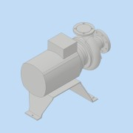 | Purchased | Pump - DN100 - 18,5kW - MPTK-I 80 | N/A |  | 1
18 | 4003-02.1-BM003-01-01 | - | 4003-02.1-BM003-01-01.ipt | RO-139-026 | 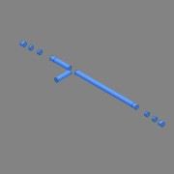 | Normal | Pipe - DN-Ø139.7x2.6 L=6448 - EN10217-7 | SS 1.4301 - AISI 304 |  | 1 | 139,7 | 2,6 | 3734
19 | 0000-701-051 | - | Ball valve - DN125 Manual - Pekos 02 TTT-PI.ipt |  | 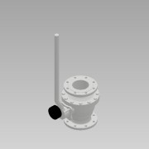 | Normal | Ball valve Manual with indicator - DN125/PN16 - Pekos 02 TTT/PI | N/A |  | 2
20 | 0000-703-040 |  | Tee Equal - EN10523-4.ipt | TR-139-026 | 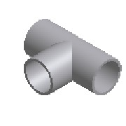 | Purchased | Tee Equal - DN125 - Ø139,7x2,6 - EN10253-4 | SS 1.4571 - AISI 316Ti |  | 3
21 | 0000-701-052 | - | Ball Valve - DN125 Automatic- Pekos 02 TTT-PI RC200-DA.ipt |  | 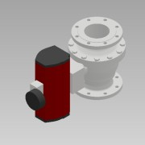 | Normal | Ball valve Automatic- DN125/PN16 - Pekos 02 TTT/RC200-DA/PI | N/A |  | 2
22 | 0000-703-050 |  | Reducer - EN 10253-4.ipt | RK-139-114 | 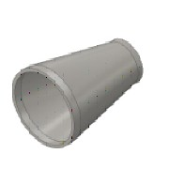 | Purchased | Reducer - DN125/DN100x127 - EN 10253-4 | SS 1.4571 - AISI 316Ti |  | 1
23 | 0000-703-060 |  | Welding Nipple - EN10241 - 1.4571.ipt | AN-200-100 | 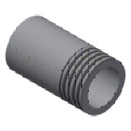 | Purchased | Welding Nipple - 2'' DN50xL100 - EN10241 | SS 1.4571 - AISI 316Ti |  | 5
24 | 0000-750-016 |  | Compensator - Type 50.ipt |  | 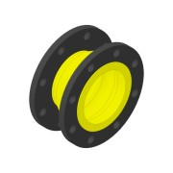 | Purchased | Compensator - DN125-PN10 - Type 50 NBR | - |  | 2
25 | 0000-754-010 |  | Cantilever arm - MT-BR.ipt |  | 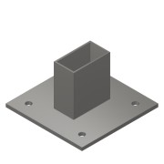 | Purchased | Cantilever Arm - MT-BR-40 OC - 450mm | Steel, Galv. |  | 6
26 | 0000-754-030 |  | Pipe clamp - MP - Sound Insulated - SS.ipt |  | 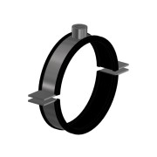 | Purchased | Pipe clamp Heavy-Duty - Ø137-142 - MP-MRI (Sound Insulated) | Steel, Galv. |  | 3
27 | 4003-02.1-BM002-01-01 | - | 4003-02.1-BM002-01-01.ipt | RO-168-026 | 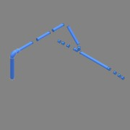 | Normal | Pipe - DN-Ø168,3x2,6 L=9169 - EN10217-7 | SS 1.4301 - AISI 304 |  | 1 | 168,3 | 2,6 | 9169
28 | 4003-02.1-BM003-02-01 | - | 4003-02.1-BM003-02-01.ipt | RO-114-026 | 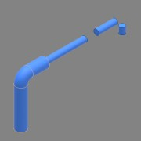 | Normal | Pipe - DN-Ø114,3x2,6 L=2518 - EN10217-7 | SS 1.4301 - AISI 304 |  | 1 | 114,3 | 2,6 | 2518
29 | 0000-703-065 |  | Socket - 1½ - DN40 - DIN EN 10241 - 1.4571.ipt |  | 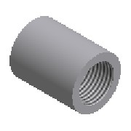 | Purchased | Socket - 1½'' - DIN EN 10241 | SS 1.4571 - AISI 316Ti |  | 1
30 | 0000-702-006 |  | Pressure Transmitter - VEGABAR 82 1½.ipt |  |  | Normal | Pressure Transmitter - VEGABAR 82 1½ | - |  | 1
31 | 0000-321-015 | - | 0000-321-015.ipt |  | 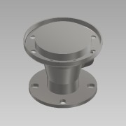 | Normal | SC-MPTK-80 - DN100_PN10 - BM | SS 1.4301 - AISI 304 |  | 1
32 | 0000-754-002 |  | Strut channel MT- S OC.ipt |  |  | Purchased | Double Strut channel MT-40 S OC | Steel, Galv. |  | 1
33 | 0000-754-012 |  | Base Plate - MT-B-O OC.ipt |  |  | Purchased | Base Plate - MT-B-O4 OC | Steel, Galv. |  | 1
34 | 0000-703-001 | - | 4003-02.1-BM017-01.ipt | RO-168-026 | 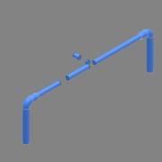 | Normal | Pipe - DN-Ø168,3x2,6 L=9872 - EN10217-7 | SS 1.4301 - AISI 304 |  | 1 | 168,3 | 2,6 | 8019
35 | 0000-750-021 | - | Straight joiner - Ø19x15.ipt |  | 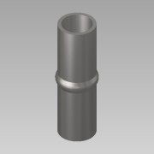 | Purchased | Straight joiner - Ø21xL70 | Steel, Galvanized |  | 32
36 | 0000-703-020 |  | Pressed Flanges - EN 1092-1 Typ 02.ipt |  |  | Purchased | Pressed Flange - DN125-PN10/16 - EN 1092-1 Typ 02 | SS 1.4301 - AISI 304 |  | 22
37 | 0000-703-010 |  | Collar - PN10 - EN 1092-1 Typ 37.ipt | BÖ-139-026 |  | Purchased | Collar - DN125/PN10-EN1092-1 Typ37 | SS 1.4301 - AISI 304 |  | 10
38 | 0000-703-030 |  | Elbow - DIN2605.ipt | BO-168-026 | 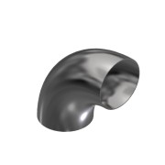 | Purchased | Elbow 90° - DN150 Ø168,3x2,6 - Type3-R229 - DIN2605 | SS 1.4301 - AISI 304 |  | 10
39 | 0000-751-051 |  | Link-Seal - A4.ipt |  | 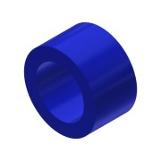 | Purchased | Link-Seal - Ø139,7 - LS-360-A4 | N/A |  | 4
40 | 0000-702-003 |  | Radar Sensor - VEGAPULS 6X.ipt |  | 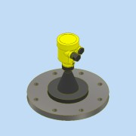 | Purchased | Radar Sensor - DN150-PN16 - Vegapuls 6X | N/A |  | 2
41 | 0000-703-022 |  | Blind Flange - EN 1092-1 type 05.ipt | BF-050-000 | (NULL) | Purchased | Blind Flange - DN50 - PN10/16 - EN 1092-1 Typ 05 | SS 1.4571 - AISI 316Ti |  | 8
42 | 0000-703-010 |  | Collar - PN10 - EN 1092-1 Typ 37.ipt | BÖ-139-020 |  | Purchased | Collar - DN125/PN10-EN1092-1 Typ37 | SS 1.4571 - AISI 316Ti |  | 12
43 | 0000-703-022 |  | Blind Flange - EN 1092-1 type 05.ipt | BF-125-000 | (NULL) | Purchased | Blind Flange - DN125 - PN10/16 - EN 1092-1 Typ 05 | SS 1.4571 - AISI 316Ti |  | 2
44 | 0000-703-020 |  | Pressed Flanges - EN 1092-1 Typ 02.ipt |  |  | Purchased | Pressed Flange - DN100-PN10/16 - EN 1092-1 Typ 02 | SS 1.4301 - AISI 304 |  | 5
45 | 0000-703-010 |  | Collar - PN10 - EN 1092-1 Typ 37.ipt | BÖ-114-020 |  | Purchased | Collar - DN100/PN10-EN1092-1 Typ37 | SS 1.4571 - AISI 316Ti |  | 1
46 | 0000-701-001 |  | Ball valve - DN50 - manual - Valtor V-106.ipt |  | 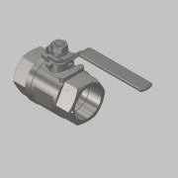 | Normal | Ball valve - DN50 - manual - Valtor V-106 | Stainless Steel |  | 6
47 | 0000-754-010 |  | Cantilever arm - MT-BR.ipt |  |  | Purchased | Cantilever Arm - MT-BR-40 OC - 300mm | Steel, Galv. |  | 7
48 | 0000-703-010 |  | Collar - PN10 - EN 1092-1 Typ 37.ipt | BÖ-168-020 |  | Purchased | Collar - DN150/PN10-EN1092-1 Typ37 | SS 1.4571 - AISI 316Ti |  | 21
49 | 0000-701-051 |  | Ball valve - DN150 Manual - Pekos 02 TTT.ipt |  | 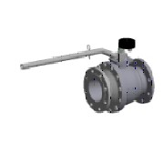 | Normal | Ball valve Manual with indicator - DN150 - Valtor - Pekos 02 TTT/PI | - |  | 2
50 | 0000-701-052 |  | Ball valve - DN150 Automatic - Pekos 02 TTT-PI.ipt |  | 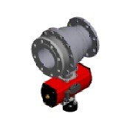 | Normal | Ball valve - DN150 Automatic - Pekos 02 TTT/PI | - |  | 2
51 | 0000-703-040 |  | Tee Equal - EN10523-4.ipt | TR-168-030 |  | Purchased | Tee Equal - DN150 - Ø168,3x2,6 - EN10253-4 | SS 1.4301 - AISI 304 |  | 5
52 | 0000-750-016 |  | Compensator - Type 50.ipt |  | 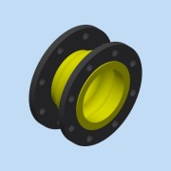 | Purchased | Compensator - DN150-PN10 - Type 50 NBR | - |  | 2
53 | 0000-754-030 |  | Pipe clamp - MP - Sound Insulated - SS.ipt |  | 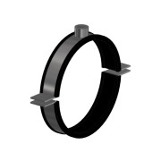 | Purchased | Pipe clamp Heavy-Duty - Ø162-168 - MP-MRI (Sound Insulated) | Steel, Galv. |  | 7
54 | 0000-701-051 |  | Ball valve - DN150 Manual - Pekos 06 TTTG-PI.ipt |  |  | Purchased | Ball valve Manual with indicator - DN150/PN16 - Pekos 06 TTTG/PI | Stainless Steel |  | 3
55 | 0000-703-030 |  | Elbow - DIN2605.ipt | 45-168-026 | 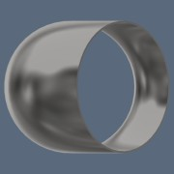 | Purchased | Elbow 45° - DN150 Ø168,3x2,6 - Type3-R229 - DIN2605 | SS 1.4301 - AISI 304 |  | 1
56 | 0000-703-010 |  | Collar - PN10 - EN 1092-1 Typ 37.ipt | BÖ-114-026 |  | Purchased | Collar - DN100/PN10-EN1092-1 Typ37 | SS 1.4301 - AISI 304 |  | 4
57 | 0000-703-030 |  | Elbow - DIN2605.ipt | BO-114-026 | 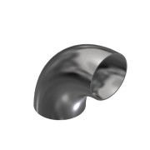 | Purchased | Elbow 90° - DN100 Ø114,3x2,6 - Type3-R152 - DIN2605 | SS 1.4301 - AISI 304 |  | 2
58 | 0000-701-051 |  | Ball valve - DN100 Manual - Pekos 02 TTT-PI.ipt |  | 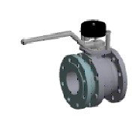 | Normal | Ball valve Manual with indicator - DN100 - Pekos 02 TTT/PI | - |  | 1
59 | 0000-754-030 |  | Pipe clamp - MP - Sound Insulated - SS.ipt |  | 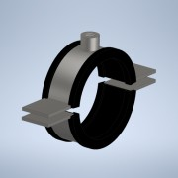 | Purchased | Pipe clamp Heavy-Duty - Ø108-114 - MP-MRI (Sound Insulated) | Steel, Galv. |  | 1
60 | 0000-703-060 |  | Welding Nipple - EN10241 - 1.4571.ipt | AN-112-100 |  | Purchased | Welding Nipple - 1 ½'' DN40xL100 - EN10241 | SS 1.4571 - AISI 316Ti |  | 1
61 | 0000-754-002 |  | Heavy Duty Strut channel MT - S OC.ipt | 2268490 | 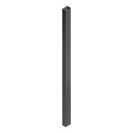 | Purchased | Heavy Duty Strut channel MT-100-S OC - 3000mm | Steel, Galv. |  | 6
62 | 0000-754-010 |  | Angle Bracket MT-C-GL A OC.ipt |  | 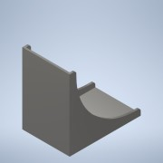 | Normal | Angle Bracket MT-C-GL A OC | Steel, Galv. | Area | 4
63 | 0000-754-012 |  | Heavy Duty Baseplate - MT-B-O4 OC .ipt | 2272104 | 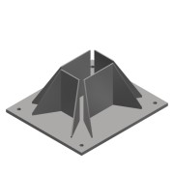 | Purchased | Heavy Duty Baseplate - MT-B-GXL 04 OC | Steel, Galv. |  | 2

